Reconcile
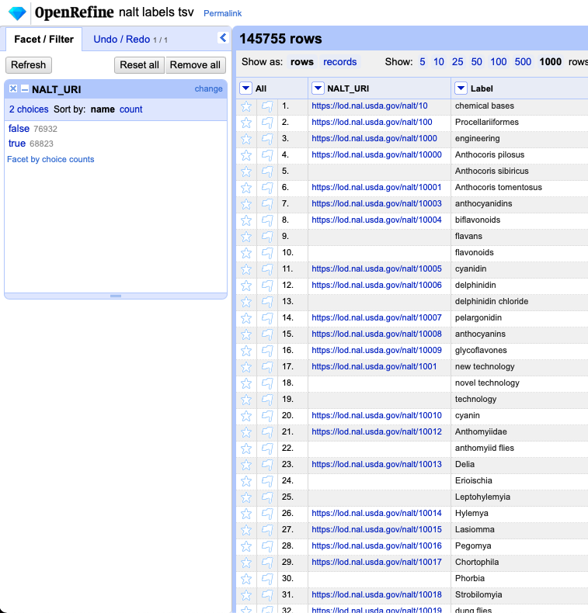
145755
https://guides.library.illinois.edu/openrefine/duplicates
 | I removed a total of 68,823 rows….
 | But, after they were removed, CSV-reconcile worked….But, this method only allowed me to reconcile 506 of the terms in beta prepared - with so many missing rows, there could obviously be more possibilities to reconcile the other 403 terms in beta prepared....

So, I found the notebook that created the nalt_label.csv and .tsv files and noticed the preflabel and the altlabels were being collected to create the files….and so because of this there are duplicate URI's in the nalt_uri column....which unfortunately causes an issue with CSV-reconcile service….so I edited toms script a little to create a nalt_preflabel.tsv and a nalt_altlabel.tsv

I tried to run the reconciliation on the nalt_preflabel.tsv first but it wasn’t going through for the same reason the original file wasn’t going through at first - duplicates….so I checked for duplicates in each of the new tsv files using open refine…..
There were no duplicates in the nalt preflabel.tsv - which is expected because according to SKOS primer preflabels should be unique.
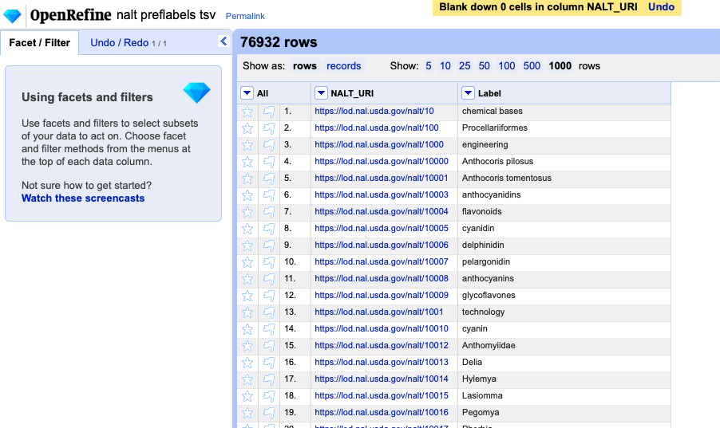

But, there were 37,105 repeated URI's in the nalt altlabel.csv
So, I removed those…in order to test the files with the service
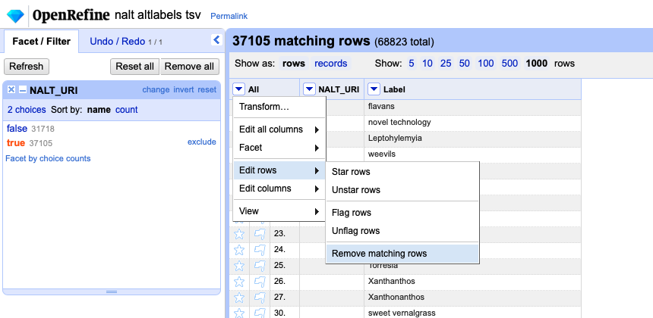
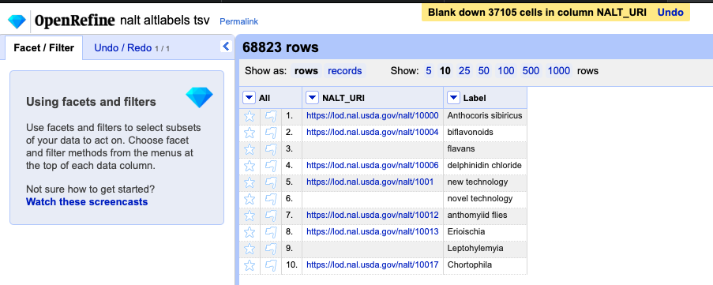

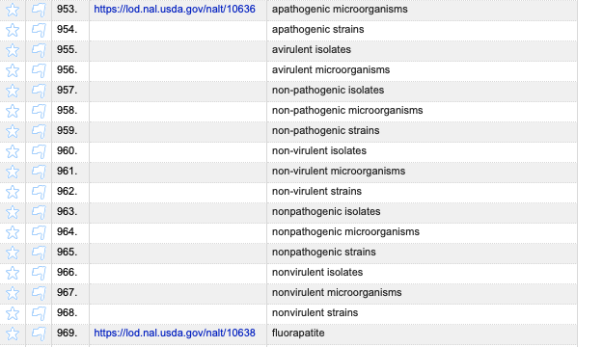
So, this isnt a perfect solution yet, but removing 37k instead of 68k rows is a little better
I guess altlabels are like the synonyms of the skos model…so I could just separate those further
Only issue is, some concepts have 5+ altlabels so It seems impractical to divi this file up so much…

 |  | 16 alt labels!

openRefine
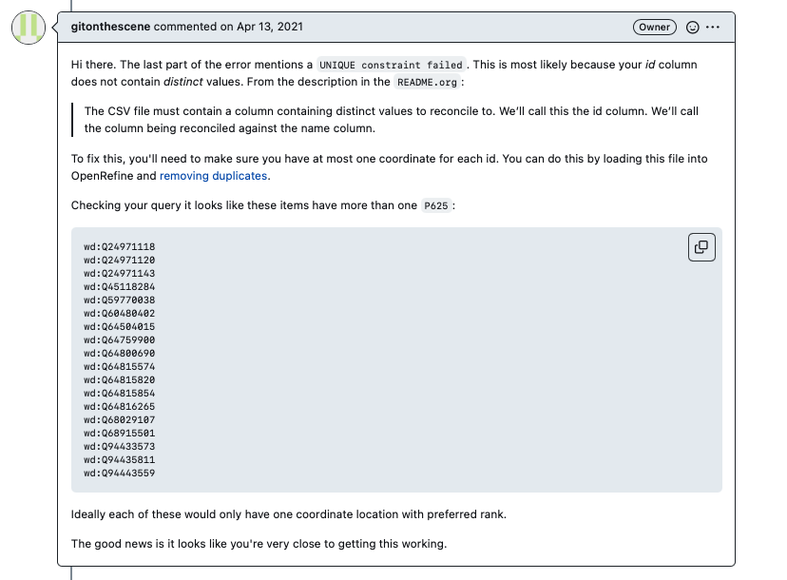
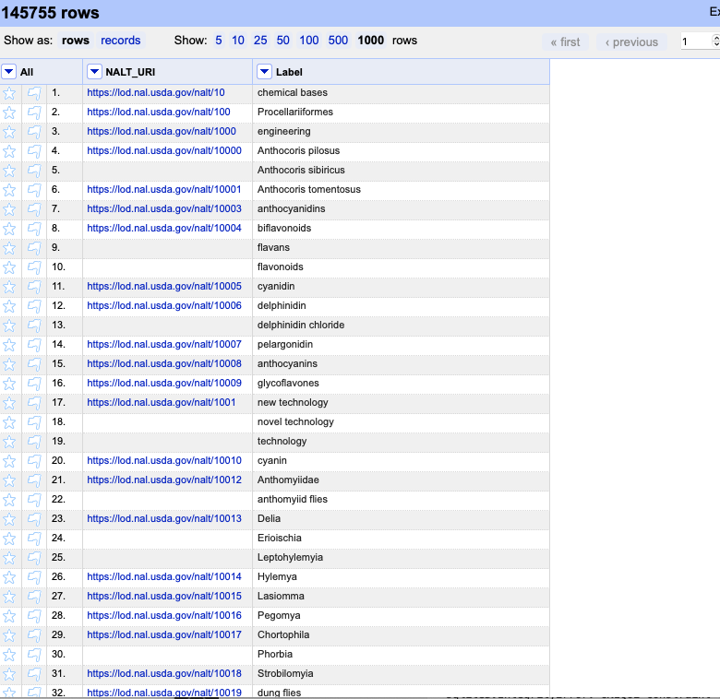
Sphinx Documentation: |  |  |  |  | Jennifers Process:
cd voc2skos/docs |  |  |  |  | /nalt4ma/issues/90
open _build/html/index.html |  |  |  |  | /nalt4ma/reconciliation
 |  |  |  |  | /nalt4ma/issues/109
To test OpenRefine: |  |  |  |  | /nalt4ma/issues/110
demo data/beta_prepared.csv
nalt4ma/nalt/nalt_labels | /nalt_labels.ipynb |  | creates csv with uri in one column and label in the other
 |  |  |  |  | Example of the openRefine process working:
 |  |  |  |  | /nalt4ma/issues/75

OpenRefine Documentation

 |  | https://stackoverflow.com/questions/64252434/architecture-not-supported-error-when-installing-nltk-with-pip-on-mac

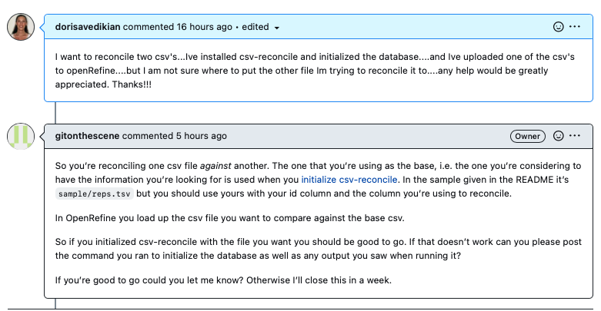

 |  |  |  | https://github.com/gitonthescene/csv-reconcile/issues/3
 |  |  |  | https://guides.library.illinois.edu/openrefine/duplicates

